18.03
 |  |  |  |  |  | COMPENDIUM OF STATISTICS 2024

18.03 | Greenhouse Gas Emissions 2007-2011
 | Annual Emissions (MT CO2 equivalent)

 | Type of Greenhouse Gas | 2007 | 2008 | 2009 | 2010 | 2011
 | Carbon Dioxide (CO2)1 | 0.624 | 0.501 | 0.532 | 0.510 | 0.606
 | Hydrofluorocarbons (HFCs)2 | 0.050 | 0.053 | 0.055 | 0.059 | 0.060
 | Methane (CH4)3 | 0.049 | 0.051 | 0.047 | 0.048 | 0.048
 | Nitrous Oxide (N2O)4 | 0.004 | 0.004 | 0.004 | 0.004 | 0.004
 | Perfluorocarbons (PFCs) | 0.000 | 0.000 | 0.000 | 0.000 | 0.000
 | Sulfur Hexafluoride (SF6) | 0.000 | 0.000 | 0.000 | 0.000 | 0.000
 | Total Green House Gas | 0.728 | 0.610 | 0.638 | 0.621 | 0.718

 | Note:1 Top 3 producers of Carbon Dioxide in the Cayman Islands are 1. power generation 2. cars and 3.buses
 | 2Top 3 producers of hydrofluorocarbon in the Cayman Islands are 1.commerical Refrigeration, 2. stationary air conditioning and 3. refrigerated transport
 | 3 Top 3 producers of Methane in the Cayman Islands are 1. landfill 2. cattle livestock and 3.agriculture live stock waste
 | 4Top 3 producers of Nitrous Oxide in the Cayman Islands are 1. sewage sludge decomposition 2. agriculture live stock -manure and 3. urban driving

 | CHART 18.01
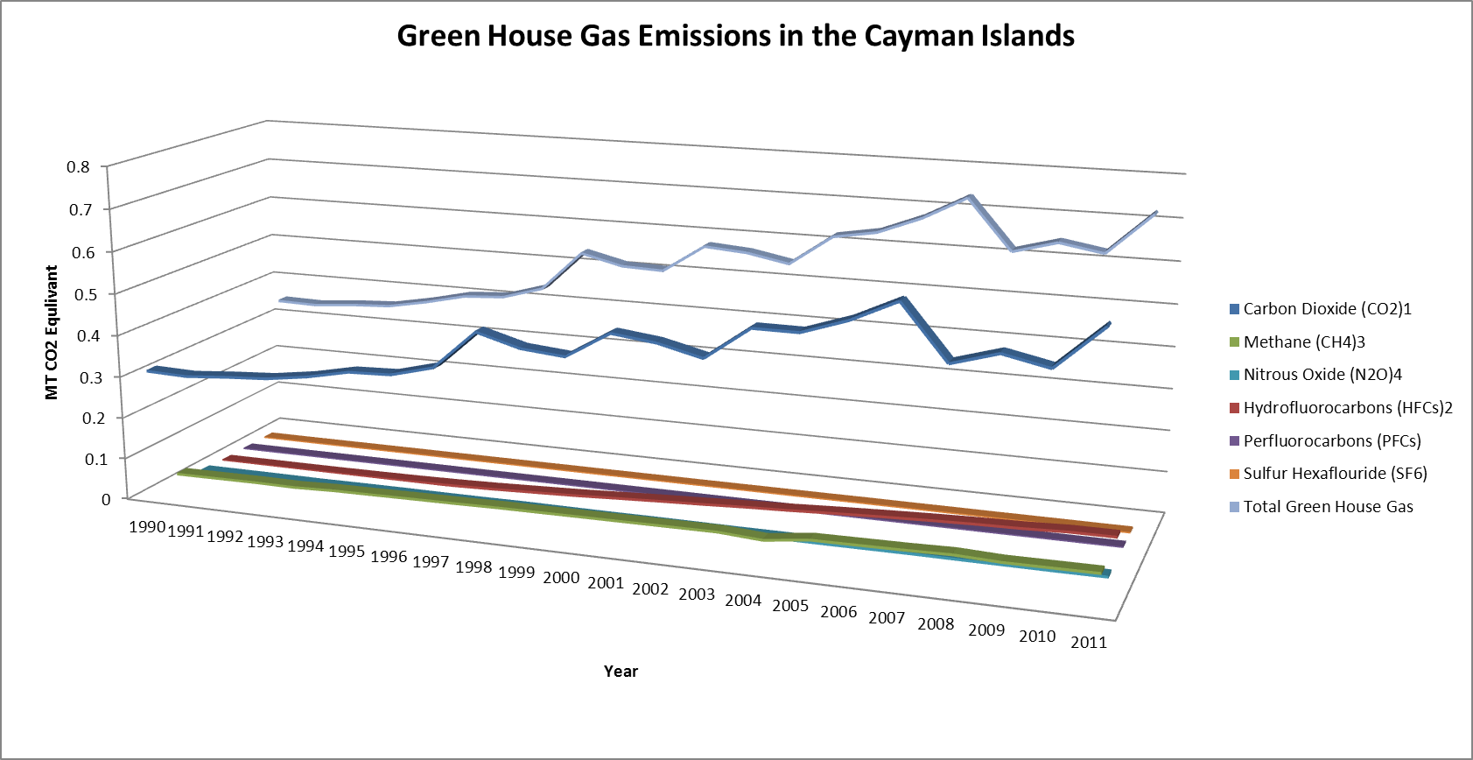

 | Source: Department of Environment

.05
 |  |  |  |  | COMPENDIUM OF STATISTICS 2024

18.05 | Average Monthly Temperature for George Town, 2017 - 2024

 |  |  |  |  |  |  |  |  | Fahrenheit
 |  | 2017 | 2018 | 2019 | 2020 | 2021 | 2022 | 2023 | 2024

 | January | 79.2 | 77.8 | 79.5 | 79.9 | 79.7 | 79.1 | 80.1 | 80.8

 | February | 80.0 | 79.7 | 80.4 | 81.0 | 80.6 | 80 | 80.7 | 78.9

 | March | 79.9 | 80.1 | 80.6 | 80.9 | 80.8 | 81.8 | 81.1 | 82.7

 | April | 81.6 | 83.1 | 82.6 | 84.7 | 82.5 | 81.8 | 82.6 | 83.5

 | May | 83.8 | 82.2 | 83.8 | 85.2 | 83.8 | 83.5 | 84.6 | 86.1

 | June | 84.8 | 84.0 | 86.0 | 86.1 | 84.8 | 84.1 | 86.2 | 84.6

 | July | 86.1 | 85.9 | 86.2 | 86.3 | 85.7 | 85.7 | 87.9 | 87.2

 | August | 86.5 | 85.6 | 86.7 | 86.3 | 85.4 | 85.4 | 86.7 | 87.5

 | September | 85.4 | 84.8 | 86.6 | 86.0 | 86 | 85.1 | 87.1 | 86.2

 | October | 83.4 | 83.9 | 84.8 | 83.5 | 84.7 | 84.4 | 85.6 | 84.8

 | November | 81.6 | 82.7 | 82.7 | 82.0 | 81.4 | 83.4 | 84.0 | 82.1

 | December | 80.0 | 81.4 | 81.0 | 79.9 | 81.4 | 80.9 | 81.2 | 80.7

 | Annual Average | 82.7 | 82.6 | 83.4 | 83.5 | 83.1 | 82.9 | 84.0 | 83.8

Chart 18.03: Average Monthly Temperature, 2022
 | Average Temperature
January | 79.1
February | 80
March | 81.8
April | 81.8
May | 83.5
June | 84.1
July | 85.7
August | 85.4
September | 85.1
October | 84.4
November | 83.4
December | 80.9
Chart 18.03: Average Monthly Temperature, 2023
 | Average Temperature
January | 80.1
February | 80.7
March | 81.1
April | 82.6
May | 84.6
June | 86.2
July | 87.9
August | 86.7
September | 87.1
October | 85.6
November | 84
December | 81.2
Chart 18.03: Average Monthly Temperature, 2024
January | 80.8
February | 78.9
March | 82.7
April | 83.5
May | 86.1
June | 84.6
July | 87.2
August | 87.5
September | 86.2
October | 84.8
November | 82.1
December | 80.7

 | Source: National Weather Service

.06
 |  |  |  |  |  | COMPENDIUM OF STATISTICS 2024

 | 18.06 | Monthly Total Rainfall for George Town, 2017 - 2024
 |  |  |  |  |  |  |  |  |  | Inches
 |  |  | 2017 | 2018 | 2019 | 2020 | 2021 | 2022 | 2023 | 2024

 |  | George Town

 |  | January | 0.9 | 1.4 | 6.1 | 2.2 | 0.3 | 4.6 | 0.6 | 1.5

 |  | February | 1.0 | 0.3 | 2.2 | 0.4 | 1.5 | 1.6 | 0.1 | 0.0

 |  | March | 1.0 | 0.6 | 9.1 | 0.1 | 0.9 | 0.5 | 4.7 | 0.6

 |  | April | 5.7 | 10.8 | 2.8 | 0.2 | 1.0 | 3.4 | 1.4 | 1.1

 |  | May | 1.4 | 10.8 | 6.3 | 3.7 | 7.9 | 2.4 | 6.4 | 2.4

 |  | June | 6.3 | 2.3 | 6.7 | 2.2 | 5.2 | 6.3 | 2.2 | 21.0

 |  | July | 3.5 | 1.2 | 3.8 | 8.8 | 3.9 | 7.3 | 2.4 | 3.7

 |  | August | 4.5 | 5.8 | 3.6 | 9.6 | 12.6 | 3.8 | 12.1 | 3.6

 |  | September | 9.0 | 13.5 | 2.1 | 4.8 | 2.0 | 10.7 | 9.3 | 16.7

 |  | October | 15.0 | 3.1 | 6.2 | 14.0 | 8.6 | 5.0 | 4.6 | 8.9

 |  | November | 7.0 | 2.4 | 4.9 | 13.4 | 8.7 | 3.6 | 1.5 | 11.3

 |  | December | 3.0 | 1.6 | 1.6 | 1.5 | 1.2 | 5.3 | 4.1 | 1.9

 |  | Total Rainfall | 58.3 | 53.8 | 55.3 | 60.9 | 53.7 | 54.5 | 49.5 | 72.8

 |  | Annual Average | 4.8 | 4.5 | 4.6 | 5.1 | 4.5 | 4.5 | 4.1 | 2.6

Monthly rainfall
January | 4.6
February | 1.6
March | 0.5
April | 3.4
May | 2.4
June | 6.3
July | 7.3
August | 3.8
September | 10.7
October | 5.0
November | 3.6
December | 5.3
Monthly rainfall
January | 0.63
February | 0.11
March | 4.71
April | 1.37
May | 6.42
June | 2.18
July | 2.43
August | 12.1
September | 9.25
October | 4.61
November | 1.53
December | 4.13
Monthly rainfall
January | 1.5
February | 0
March | 0.61
April | 1.06
May | 2.44
June | 21
July | 3.68
August | 3.62
September | 16.7
October | 8.93
November | 11.3
December | 1.91
CHART 18.04

 |  | Source: National Weather Service

18.07
 |  |  |  |  |  |  |  |  |  |  | COMPENDIUM OF STATISTICS 2023

 | 18.07 | Average Monthly Humidity, George Town, 2011 - 2024

 |  |  |  |  |  |  |  |  |  |  |  |  |  |  |  | Percent
 |  |  | 2011 | 2012 | 2013 | 2014 | 2015 | 2016 | 2017 | 2018 | 2019 | 2020 | 2021 | 2022 | 2023 | 2024

 |  | January | 80 | 78 | 80 | 82 | 80 | 81 | 75 | 82 | 81 | 75 | 75 | 70 | 73 | 74

 |  | February | 76 | 80 | 78 | 78 | 78 | 78 | 77 | 76 | 80 | 77 | 72 | 75 | 76 | 67

 |  | March | 76 | 79 | 79 | 76 | 77 | 79 | 75 | 80 | 77 | 77 | 72 | 71 | 71 | 72

 |  | April | 76 | 79 | 80 | 80 | 80 | 76 | 78 | 75 | 77 | 76 | 71 | 73 | 70 | 72

 |  | May | 75 | 83 | 82 | 79 | 80 | 78 | 77 | 82 | 78 | 78 | 79 | 73 | 73 | 74

 |  | June | 79 | 80 | 82 | 80 | 84 | 79 | 79 | 81 | 76 | 78 | 77 | 75 | 73 | 82

 |  | July | 80 | 77 | 81 | 78 | 76 | 78 | 78 | 78 | 77 | 78 | 74 | 73 | 71 | 74

 |  | August | 78 | 80 | 79 | 80 | 78 | 81 | 77 | 78 | 78 | 79 | 76 | 76 | 76 | 72

 |  | September | 80 | 82 | 85 | 82 | 82 | 78 | 79 | 81 | 78 | 81 | 73 | 75 | 73 | 86

 |  | October | 83 | 77 | 82 | 80 | 83 | 81 | 82 | 82 | 80 | 82 | 76 | 73 | 74 | 76

 |  | November | 77 | 74 | 82 | 78 | 84 | 76 | 82 | 82 | 77 | 80 | 74 | 76 | 74 | 77

 |  | December | 78 | 80 | 82 | 81 | 85 | 79 | 81 | 78 | 77 | 77 | 75 | 74 | 73 | 75

 |  | Annual Average | 78 | 79 | 81 | 80 | 81 | 79 | 78 | 80 | 78 | 78 | 75 | 74 | 73 | 75

Average Monthly Relative Humidity 2022
January | 70
February | 75
March | 71
April | 73
May | 73
June | 75
July | 73
August | 76
September | 75
October | 73
November | 76
December | 74
Average Monthly Relative Humidity 2024
January | 74
February | 67
March | 72
April | 72
May | 74
June | 82
July | 74
August | 72
September | 86
October | 76
November | 77
December | 75
CHART 18.05

 |  | Source: National Weather Service

